Sheet1
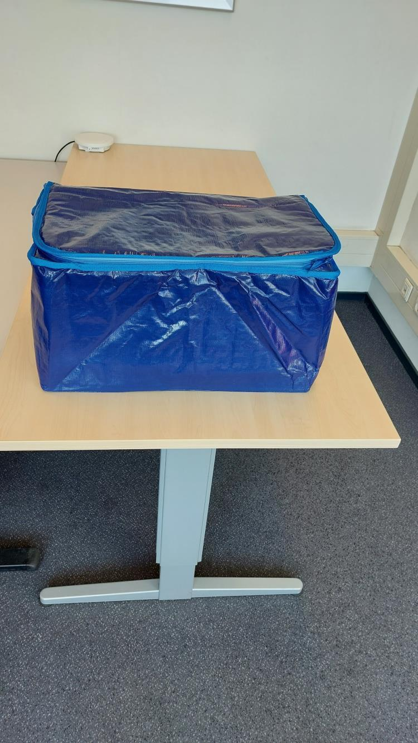
Picture | Item code | Description | Extra information | Restriction | Stock | Sales price EXW | Retail price | Barcode | Quantity PU | Quantity pallet | Pallet | Origin | Customs code | Item weight | Languages on package | Group
 | S-10679 | Thermal Bag, 58x30x35cm | Selling by 15 pcs/packed in plastic bag |  | 208 |  |  |  | 15 | 90 | Wegwerppallet 120x80 |  | 4202921900 | 1000 |  | Thermal Bag

